Form E-Rework
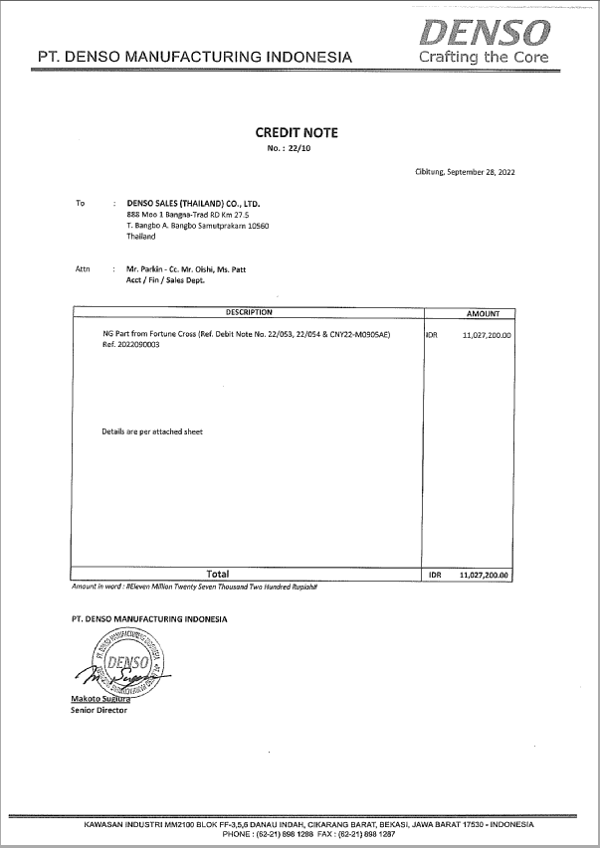
A | Page title: |  |  |  |  |  |  |  |  |  |  |  |  |  | Text | Text Box | Type Input | View | Type Input | View
 | FORM E-DN CN REQUEST |  |  |  |  |  |  |  |  |  |  |  |  |  | Number | Date Time | Text Box |  | Check Box
B | Description: |  |  |  |  |  |  |  |  |  |  |  |  |  | Date | Radio Button
 | Transaksi Permintaan Issued DN CN |  |  |  |  |  |  |  |  |  |  |  |  |  |  | Check Box
 |  |  |  |  |  |  |  |  |  |  |  |  |  |  |  | Select Filter | Date Time |  | Select Filter | 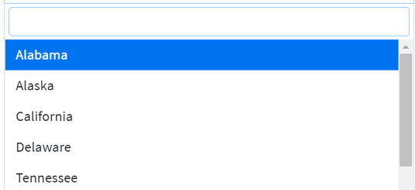
C | Page Access |  |  |  |  |  |  |  |  |  |  |  |  |  |  | Attach File
 | No | User Group |  | Add | Edit | Delete |  | View | Import | Export (Excel & Pdf) | Print Form | Insert Attachment | Finish Approval | Print Form After Signed
 | 1 | FA |  | O | O | O |  | O | O | O | O | O | O | O
 | 2 | GA |  | O | O | X |  | O | X | X | O | O | X | O
 | 3 | HRD |  | O | O | X |  | O | X | X | O | O | X | O |  |  | Radio Button |  | Attach File
 | 4 | PROCRUMENT |  | O | O | X |  | O | X | X | O | O | X | O
 | 5 | IR & LEGAL |  | O | O | X |  | O | X | X | O | O | X | O
 | 6 | PC |  | O | O | X |  | O | X | X | O | O | X | O
 | 7 | QA/QC |  | O | O | X |  | O | X | X | O | O | X | O
 | 8 | MARKETING |  | O | O | X |  | O | X | X | O | O | X | O
 | 9 | WAREHOUSE |  | O | O | X |  | O | X | X | O | O | X | O
 | 10 | EXIM |  | O | O | X |  | O | X | X | O | O | X | O
 | 11 | PE |  | O | O | X |  | O | X | X | O | O | X | O
 | 12 | SHE |  | O | O | X |  | O | X | X | O | O | X | O
 | 11 | FACILITY |  | O | O | X |  | O | X | X | O | O | X | O
 | 13 | TIE |  | O | O | X |  | O | X | X | O | O | X | O
 | 14 | MAINTENACE |  | O | O | X |  | O | X | X | O | O | X | O
 | 15 | MACHINERY |  | O | O | X |  | O | X | X | O | O | X | O
 | 16 | MANUFACTURING |  | O | O | X |  | O | X | X | O | O | X | O
 | 17 | IT |  | O | O | X |  | O | X | X | O | O | X | O
 | 18 | BUSINESS ADMINSTRATION |  | O | O | X |  | O | X | X | O | O | X | O
D | Field Explanation
 | No | Field name | Description |  | Type Input |  |  | Remark
 | 1 | PART NAME |  |  | Select Filter |  |  | Di layar utama, pilih Nama Part
Data
 | 2 | PART NO |  |  | Select Filter |  |  | Filter No Part yang mau dipilih
 | 3 | CUSTOMER |  |  | Select Filter |  |  | Pilih Customer yang mau dipilih
 | 4 | ANTH.CUSTOMER |  |  | Text Box |  |  | Input kolom ANTH.CUSTOMER
 | 5 | PROBLEM |  |  | Text Box |  |  | Input kolom PROBLEM
 | 6 | OCC.PLACE/DATE |  |  | Date Time |  |  | Pilih Tanggal yang tersedia
 | 7 | QTY NG |  |  | Text Box |  |  | Input kolom QTY NG
 | 8 | SKETCH |  |  | Attach File |  |  | Import File apapun dalam kolom SKETCH
 | 9 | DEFECT LOT PROD |  |  | Text Box |  |  | Input kolom DEFECT LOT PROD
 | 10 | AREA |  |  | Select Filter |  |  | pilih AREA yang tersedia
 | 11 | CHECKING METHOD |  |  | Text Box |  |  | Input kolom CHECKING METHOD
 | 12 | MARKING |  |  | Text Box |  |  | Input kolom MARKING
Request By
 | Amount Request
DMIA Authorized Signer
 | Spesific rule and formula

E
 | Other remark

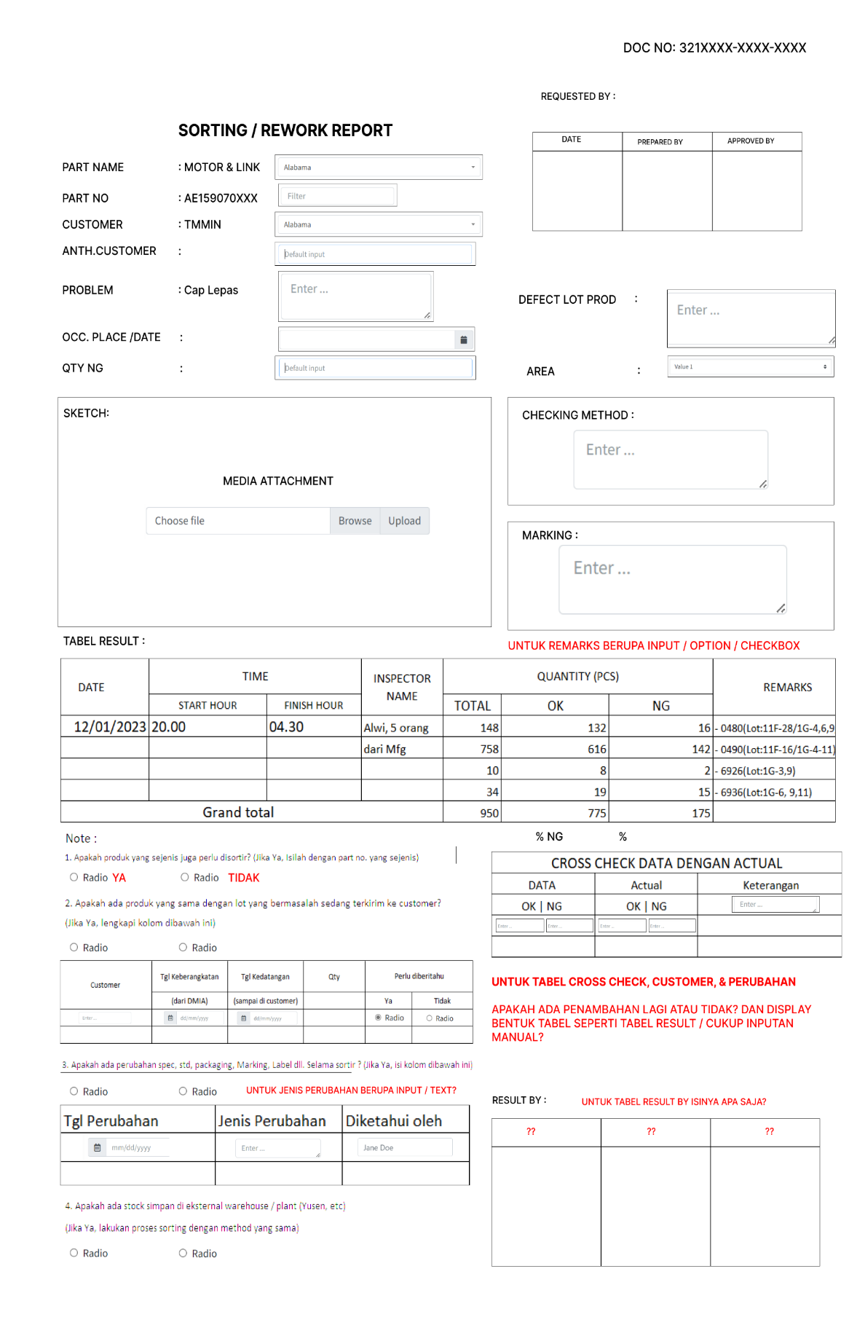
F
 | View desaign (For search,view and filter data)
 | Ilustrasi

G

 | Form Input desaign (For input or update data)
 | Ilustrasi
 | NO VAT |  |  |  |  |  | VAT
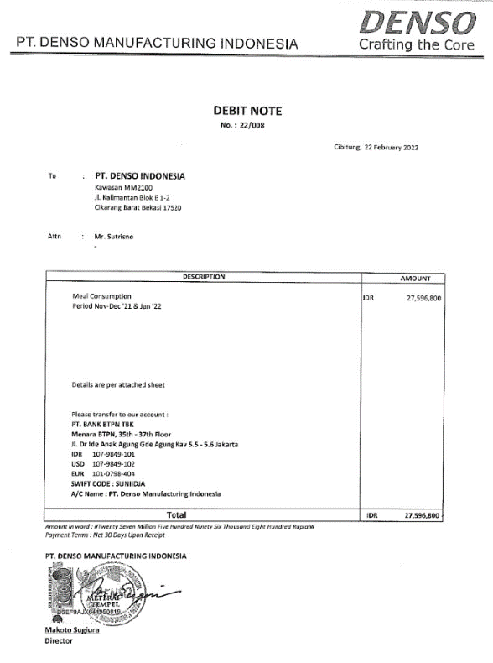
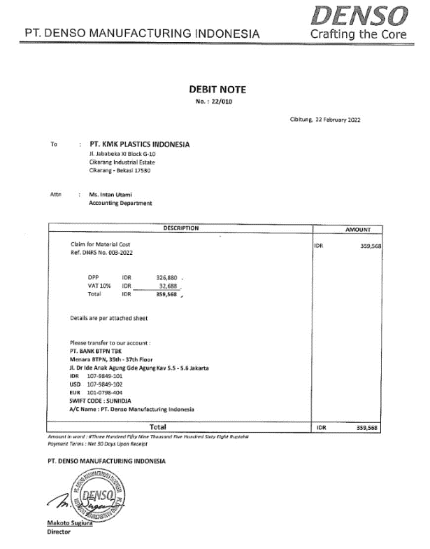

 | NO VAT

Flow Chart Register E-DN CN
A | Flow System
No | Proses | Section / PIC User / System
 |  | Section (user req.) | Section Approver | FA Approver | FA Payment | Section.../user… | Section.../user… | Section.../user… | Section.../user… | Section.../user… | Section.../user…
Add New User
Form Register New
FA Approver
1 | Add New User

Flow Chart E-CN
A | Flow System
No | Proses | Section / PIC User / System
 |  | Section (user req.) | Section Approver | FA Approver | FA Approver 3 | Section.../user… | Section.../user… | Section.../user… | Section.../user… | Section.../user… | Section.../user…
Add New Request DN/CN
Form New Request
1 | User New Request

received email rejected
N
Appr 1
2 | Section Approver 1

Y
received email rejected
N
Appr 2
3 | Section Approver 2

Y
received email rejected
N
Appr 3
Finish Approver
4 | Section Approver 3
View Approver
Form Approver

Appr 1
5 | FA Approver 1 ( Bu Endah )
received email rejected & Edit
N
Y
Appr 2
6 | FA Approver 2 ( Pak Nikko )
received email rejected & Edit
N
Y
Signed DN/CN
Finish
Appr 3
7 | FA Approver 3 ( Pak Sugiura )
received email rejected & Edit
N

Print Draft DN/CN & Attachment
8 | FA Finance

Flow Chart Settlement E-DN
A | Flow System
No | Proses | Section / PIC User / System
 |  | Section (user req.) | Section Approver | FA Approver | FA Payment | Section.../user… | Section.../user… | Section.../user… | Section.../user… | Section.../user… | Section.../user…
Add Settlement (Searching no.DN CN)
Form Add Settlement
1 | Add DN CN

DN CN MATCHED FROM ACTUAL
N
Confirm to Vendor

Y

Update Finish Payment Settlement
Form Update
Transaction Settlement
8 | FA Finance

9 | FA Finance
Finish

Form E-DN (DMIA Nagih)
A | Page title: |  |  |  |  |  |  |  |  |  |  |  |  |  | Text | Text Box | Type Input | View | Type Input | View
 | FORM E-DN CN REQUEST |  |  |  |  |  |  |  |  |  |  |  |  |  | Number | Date Time | Text Box |  | Check Box
B | Description: |  |  |  |  |  |  |  |  |  |  |  |  |  | Date | Radio Button
 | Transaksi Permintaan Issued DN CN |  |  |  |  |  |  |  |  |  |  |  |  |  |  | Check Box
 |  |  |  |  |  |  |  |  |  |  |  |  |  |  |  | Select Filter | Date Time |  | Select Filter
C | Page Access |  |  |  |  |  |  |  |  |  |  |  |  |  |  | Attach File
 | No | User Group |  | Add | Edit | Delete |  | View | Import | Export (Excel & Pdf) | Print Form | Insert Attachment | Finish Approval | Print Form After Signed
 | 1 | FA |  | O | O | O |  | O | O | O | O | O | O | O
 | 2 | GA |  | O | O | X |  | O | X | X | O | O | X | O
 | 3 | HRD |  | O | O | X |  | O | X | X | O | O | X | O |  |  | Radio Button |  | Attach File
 | 4 | PROCRUMENT |  | O | O | X |  | O | X | X | O | O | X | O
 | 5 | IR & LEGAL |  | O | O | X |  | O | X | X | O | O | X | O
 | 6 | PC |  | O | O | X |  | O | X | X | O | O | X | O
 | 7 | QA/QC |  | O | O | X |  | O | X | X | O | O | X | O
 | 8 | MARKETING |  | O | O | X |  | O | X | X | O | O | X | O
 | 9 | WAREHOUSE |  | O | O | X |  | O | X | X | O | O | X | O
 | 10 | EXIM |  | O | O | X |  | O | X | X | O | O | X | O
 | 11 | PE |  | O | O | X |  | O | X | X | O | O | X | O
 | 12 | SHE |  | O | O | X |  | O | X | X | O | O | X | O
 | 11 | FACILITY |  | O | O | X |  | O | X | X | O | O | X | O
 | 13 | TIE |  | O | O | X |  | O | X | X | O | O | X | O
 | 14 | MAINTENACE |  | O | O | X |  | O | X | X | O | O | X | O
 | 15 | MACHINERY |  | O | O | X |  | O | X | X | O | O | X | O
 | 16 | MANUFACTURING |  | O | O | X |  | O | X | X | O | O | X | O
 | 17 | IT |  | O | O | X |  | O | X | X | O | O | X | O
 | 18 | BUSINESS ADMINSTRATION |  | O | O | X |  | O | X | X | O | O | X | O
D | Field Explanation
 | No | Field name | Description |  | Type Input |  |  | Remark
 | 1 | Request Item |  |  | Select Filter |  |  | Di layar utama, pilih Debit Note atau Credit Note
Data
 | 2 | Date of Issue |  |  | Date Time |  |  | Otomatis sesuai tgl di kalender berjalan
 | 3 | No. Debit/Credit Note |  |  | Text Box |  |  | Penomeran Otomatis by system (tidak bisa di edit)
 |  |  |  |  |  |  |  | Debit Note => 22/001 (Tahun/No.Urut)
 |  |  |  |  |  |  |  | Credit Note => 22/01 (Tahun/No.Urut)
Request By
 | 4 | Name |  |  | Text Box |  |  | Nama User (Otomatis ketika login menggunakan User ID milik applicant tsb)
 | 5 | NIK User |  |  | Text Box |  |  | Otomatis ketika login menggunakan User ID milik applicant tsb
 |  | to |  |  | Select Filter |  |  | company name dan address
 |  | attention |  |  | Select Filter |  |  | nama dan departement
 | 6 | Section |  |  | Text Box |  |  | Otomatis ketika login menggunakan User ID milik applicant tsb
 | 7 | Detail Request |  |  | Text Box |  |  | Keterangan Transaksi
 | 8 | Reference |  |  | Text Box |  |  | User Reference Number (Must Different)
 | 9 | Budget |  |  | Radio Button |  |  | pilih (Budget or Non Budget)
 |  | account |  |  | Select Filter |  |  | pilih
 | 10 | Payment Terms |  |  | Radio Button |  |  | pilih (C30D or Partial 1 until 6 kali cicilan => Show Excel Table)
 | Amount Request
 | 11 | Curency |  |  | Select Filter |  |  | IDR, USD, JPY
 | 12 | Amount |  |  | Text Box |  |  | Format Number; with 2 digit decimal; separator thousand in comma
 |  | Amount in word |  |  | Text Box |  |  | otomatis terisi
 | 13 | VAT Information |  |  | Select Filter |  |  | Option : VAT11% / No VAT pihak finance
DMIA Bank Account
 | 14 | DMIA Bank Account |  |  | Radio Button |  |  | Debit note Ditampilkan atau Credit note Tidak Ditampilkan/bank BTPN
 | 15 | Transfer Name |  |  | Text Box |  |  | Type into
 | 16 | Bank Name |  |  | Text Box |  |  | Type into
 | 17 | Account Number |  |  | Text Box |  |  | Type into
 | 18 | Attachment |  |  | Attach File |  |  | pdf file (attach 1,2,3,4)

 | 19 | Name |  |  | Select Filter |  |  | Name of Director Up
 | 20 | Title |  |  | Select Filter |  |  | Director / Senior Director / President Director
DMIA Authorized Signer
 | 21 | Approver Dept User |  |  | Text Box |  |  | dibuatkan list approver per department yang mencantumkan nama dan tanggal approve
 | 22 | Approver Dept Finance |  |  | Text Box |  |  | dibuatkan list approver di dept. Finance yang mencantumkan nama dan tanggal approve
 | 23 | Finish Settlement DN : Bank |  |  | Select Filter |  |  | BTPN IDR, BTPN USD, Glopip, Deduct Payment
 | 24 | Finish Settlement DN : Amount |  |  | Text Box |  |  | Format Number; with 2 digit decimal; separator thousand in comma
 | 25 | Finish Settlement DN : Date |  |  | Date Time
 | 26 | Finish Settlement CN : Bank |  |  | Select Filter |  |  | BTPN IDR, BTPN USD, Glopip, Deduct Payment
 | 27 | Finish Settlement CN : Amount |  |  | Text Box |  |  | Format Number; with 2 digit decimal; separator thousand in comma
 | 28 | Finish Settlement CN : Date |  |  | Date Time
 | 29
 | 30
 | Spesific rule and formula

E
 | Other remark

F
 | View desaign (For search,view and filter data)
 | Ilustrasi
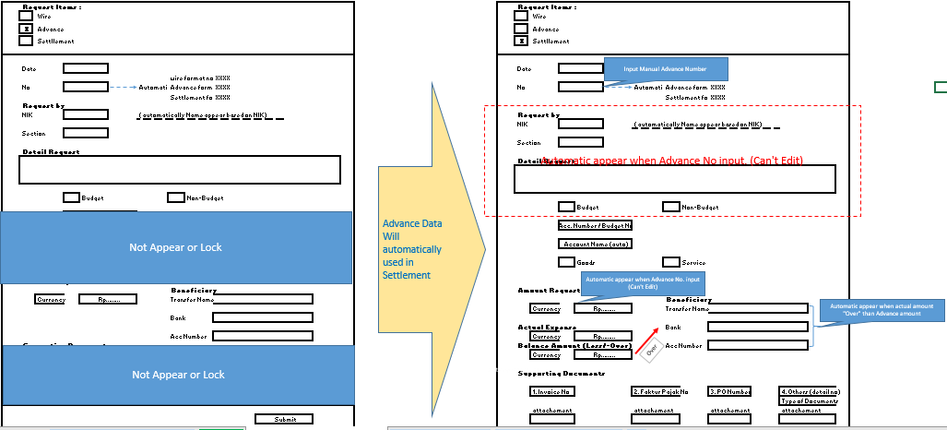
G

 | Form Input desaign (For input or update data)
 | Ilustrasi
 | NO VAT |  |  |  |  |  | VAT

 | NO VAT

